PCB Specifications
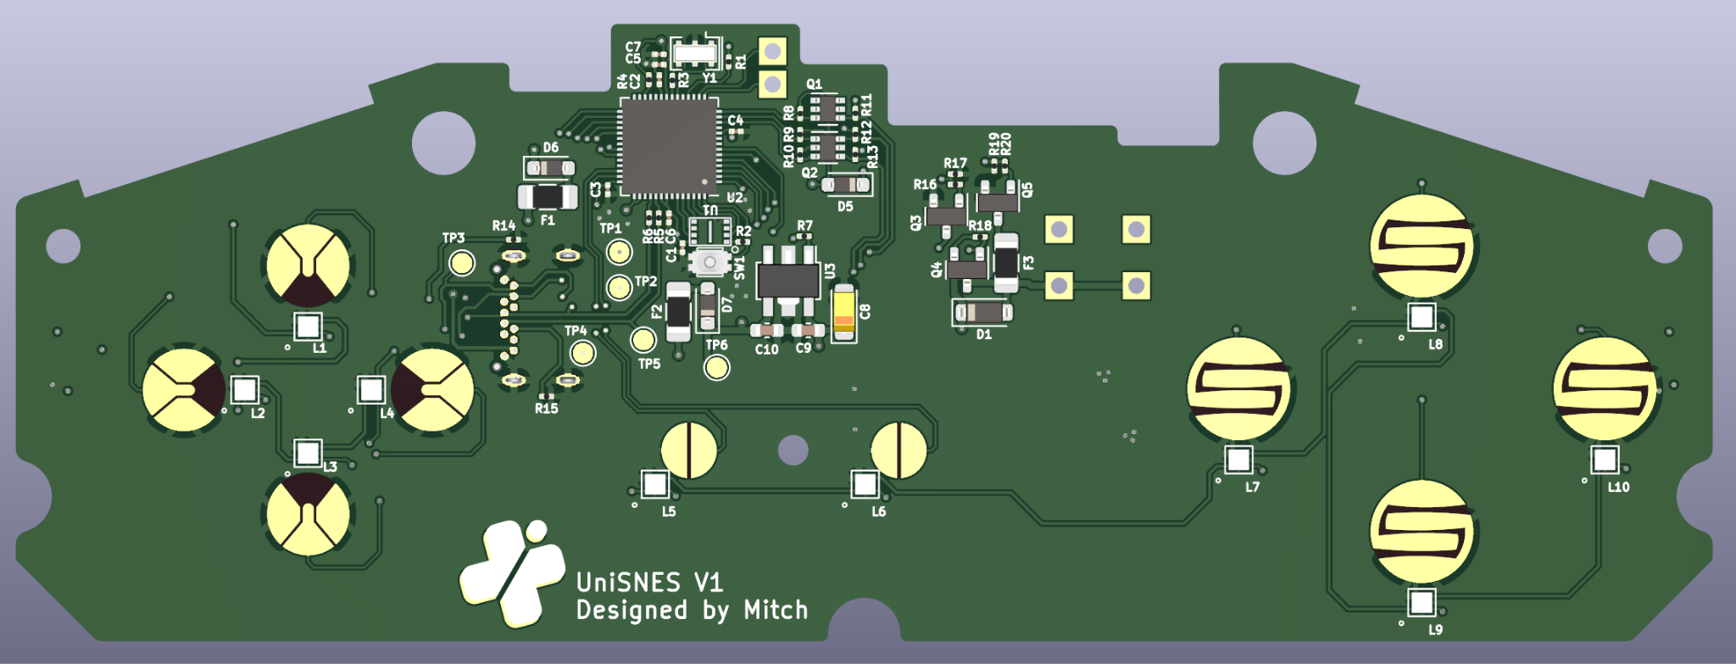
Thickness | 1.5mm
Finish | ENIG gold
Flash Test | YES
Layers | 4
PCB Color | White

PCB LAYOUT PHOTO

